Info
Scandic er store i Sverige, Norge og Finland. De har også et segment som heter other Europe. Dette innebærer Danmark, Tyskalnd og Polen.

Sesongvariasjoner: Q1, påsken og julen er ofte trege tider på året

"Scandic's operating model"
Scandic operer primært med langtidsleieavtaler og har fullt ansavr for merkevare, drift og distribusjon.

Scandic strukurerer sine leieavtaler ulike avtaler.
"Contingent rent" = rommene har fullt variable avtaler som er basert på omsetning
"Contingent rent with fixed minimum" = Rommene har varaible leieavtaler med et fast minimum
"Fixed rent" = Rommene er under faste leieavtaler
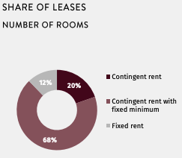
 | (Q125)

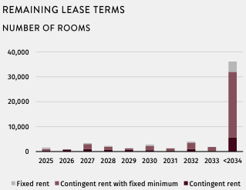
 |  | Denne grafen viser hvor mange rom Scandic har under leieavtale
 |  | og hvor lenge disse avtalene varer (gjenværende leietid).

Segementer
 |  |  |  |  |  |  |  |  |  |  |  |  |  |  |  |  |  |  |  |  | Antall rom (Q125)
SEKm | Q122 | Q222 | Q322 | Q422 | 2022 | Q123 | Q223 | Q323 | Q423 | 2023 | Q124 | Q224 | Q324 | Q424 | 2024 | Q125 | Q225 | Q325 | Q425 | 2025
Sweden |  |  |  |  |  |  |  |  |  |  |  |  |  |  |  |  |  |  |  |  | Sweden | 34% | 18,912
Net sales | 827 | 1,686 | 1,882 | 1,658 | 6,053 | 1,388 | 1,751 | 1,862 | 1,641 | 6,642 | 1,325 | 1,755 | 1,873 | 1,654 | 6,607 | 1,343 |  |  |  | 1,343 | Norway | 29% | 16,035
Organic growth | 507 | 1225 | 810 | 433 |  | 561 | 65 | -20 | -17 |  | -63 | 4 | 11 | 13 |  | 18 |  |  |  |  | Finland | 22% | 12,311 | Dele inn i år
New hotels | 11 | 77 | 159 | 120 |  | 95 | 68 | 11 | 10 |  | 4 | 19 | 38 | 33 |  | 9 |  |  |  |  | Denmark | 10% | 5,577
Temporarliy closed hotels | 0 | 0 | 0 | 0 |  | 0 | 0 | 0 | 0 |  | 0 | 0 | 0 | 0 |  | 15 |  |  |  |  | other Europe | 5% | 2,768
Exits | 8 | -7 | -15 | -18 |  | -33 | -40 | -52 | -45 |  | -23 | -32 | -24 | -8 |  | 0 |  |  |  |  | Total | 100.00% | 55,603
Fordeling av hotellrom
LFL | 488 | 1155 | 667 | 330 |  | 499 | 36 | 22 | 18 |  | -44 | 18 | -3 | -11 |  | -6
Adjusted EBITDA | -80 | 333 | 401 | 221 | 875 | 95 | 270 | 405 | 225 | 995 | 66 | 288 | 406 | 220 | 980 | 59 |  |  |  | 59
Margin % | -9.7 % | 19.7 % | 21.2 % | 13.2 % |  | 6.8 % | 15.4 % | 21.7 % | 13.7 % |  | 5.0 % | 16.4 % | 21.7 % | 13.3 % |  | 4.4 %
RevPAR (SEK) | 379 | 756 | 867 | 705 |  | 616 | 823 | 886 | 730 |  | 605 | 843 | 892 | 728 |  | 607
New hotels/Temporarily closed /exits | 2 | 0 | 13 | 3 |  | 4 | 8 | 8 | 5 |  | 3 | 5 | 5 | -1 |  | -7
LFL | 218 | 533 | 350 | 160 |  | 233 | 58 | 11 | 20 |  | -13 | 16 | 1 | 1 |  | 9
ARR (SEK) | 964 | 1164 | 1228 | 1192 |  | 1120 | 1277 | 1239 | 1223 |  | 1135 | 1313 | 1238 | 1232 |  | 1141
OCC% | 39.4 % | 65.0 % | 70.6 % | 59.2 % |  | 55.0 % | 64.4 % | 71.5 % | 59.7 % |  | 53.3 % | 64.2 % | 72.1 % | 59.1 % |  | 53.2 %

Norway
Net sales | 961 | 1,699 | 1,876 | 1,503 | 6,039 | 1,313 | 1,548 | 1,851 | 1,469 | 6,181 | 1,248 | 1,636 | 1,783 | 1,461 | 6,128 | 1,340 |  |  |  | 1,340
Currency effect | 63 | 76 | 116 | 60 |  | -47 | -93 | -49 | -101 |  | -41 | 9 | -97 | -10 |  | -33
Organic growth | 579 | 980 | 329 | 307 |  | 398 | -59 | 25 | 68 |  | -24 | 79 | 28 | 1 |  | 126
New hotels | 8 | 17 | 53 | 45 |  | 53 | 44 | 16 | 4 |  | 0 | 0 | 0 | 0 |  | 0
Temporarliy closed hotels | 0 | 0 | 0 | 0 |  | 0 | 0 | 0 | 0 |  | 0 | 0 | 0 | 0 |  | -19
Exits | -2 | -4 | -7 | 0 |  | 0 | -87 | -20 | 11 |  | -33 | -35 | -77 | -71 |  | -3
LFL | 573 | 966 | 283 | 263 |  | 345 | -16 | 29 | 53 |  | 9 | 114 | 105 | 72 |  | 148
Adjusted EBITDA | 135 | 417 | 425 | 194 | 1171 | 152 | 285 | 404 | 170 | 1011 | 92 | 288 | 353 | 176 | 909 | 141 |  |  |  | 141 | RevPAR: | Average revenue per room
Margin % | 14.0 % | 24.5 % | 22.7 % | 12.9 % |  | 11.5 % | 18.4 % | 21.8 % | 11.6 % |  | 7.4 % | 17.6 % | 19.8 % | 12.0 % |  | 10.5 %
RevPAR (SEK) | 482 | 783 | 914 | 679 |  | 635 | 779 | 947 | 686 |  | 622 | 860 | 973 | 731 |  | 709
Currency effect | 32 | 35 | 56 | 26 |  | -23 | -46 | -25 | -48 |  | -20 | 4 | -51 | -4 |  | -18
New hotels/Temporarily closed /exits | 0 | 2 | -1 | -4 |  | 0 | 24 | 27 | 10 |  | 2 | 0 | -9 | 6 |  | -4
LFL | 274 | 418 | 184 | 155 |  | 176 | 19 | 31 | 45 |  | 5 | 77 | 86 | 43 |  | 102
ARR (SEK) | 1070 | 1230 | 1289 | 1248 |  | 1197 | 1283 | 1329 | 1241 |  | 1204 | 1350 | 1351 | 1258 |  | 1227
OCC% | 45.0 % | 63.6 % | 70.9 % | 54.4 % |  | 53.1 % | 60.7 % | 71.3 % | 55.3 % |  | 51.6 % | 63.7 % | 72.1 % | 58.1 % |  | 57.8 %

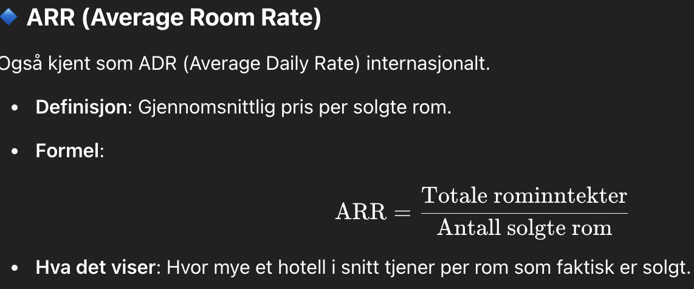
Finland |  |  |  |  |  |  |  |  |  |  |  |  |  |  |  |  |  |  |  |  | ARR: | Average roomrate
Net sales | 562 | 1,074 | 1,257 | 1,196 | 4,089 | 1,053 | 1,264 | 1,397 | 1,283 | 4,997 | 1,061 | 1,246 | 1,311 | 1,265 | 4,883 | 1,037 |  |  |  | 1,037
Currency effect | 20 | 35 | 51 | 83 |  | 67 | 106 | 136 | 66 |  | 8 | 6 | -33 | 1 |  | -4
Organic growth | 334 | 726 | 491 | 269 |  | 424 | 85 | 5 | 21 |  | 0 | -24 | -54 | -19 |  | -20
New hotels | 42 | 86 | 82 | 62 |  | 25 | 37 | 35 | 13 |  | 0 | 0 | 0 | 0 |  | 0
Temporarliy closed hotels | 0 | 0 | 0 | 0 |  | 0 | 0 | 0 | 0 |  | 0 | 0 | 0 | 0 |  | -18
Exits | 0 | 0 | 0 | 0 |  | -9 | -9 | -10 | -9 |  | 0 | 0 | -24 | -36 |  | 1
LFL | 292 | 639 | 409 | 208 |  | 408 | 57 | -21 | 17 |  | 0 | -24 | -29 | 16 |  | -3
Adjusted EBITDA | -160 | 186 | 233 | 124 | 383 | 19 | 145 | 245 | 130 | 539 | 16 | 162 | 223 | 168 | 569 | 22 |  |  |  | 22
Margin % | -28.5 % | 17.4 % | 18.5 % | 10.4 % |  | 1.8 % | 11.5 % | 17.6 % | 10.1 % |  | 1.5 % | 13.0 % | 17.0 % | 13.3 % |  | 2.2 %
RevPAR (SEK) | 327 | 628 | 766 | 650 |  | 600 | 749 | 848 | 705 |  | 603 | 757 | 821 | 748 |  | 618
Currency effect | 11 | 20 | 31 | 46 |  | 38 | 62 | 82 | 35 |  | 4 | 4 | -20 | 1 |  | -3
New hotels/Temporarily closed /exits | -6 | 8 | 16 | 9 |  | 1 | 10 | 14 | 13 |  | 0 | 0 | 0 | 8 |  | 18
LFL | 197 | 409 | 186 | 141 |  | 234 | 49 | -14 | 7 |  | -1 | 4 | -7 | 34 |  | 8
ARR (SEK) | 1026 | 1141 | 1167 | 1211 |  | 1180 | 1297 | 1293 | 1301 |  | 1236 | 1300 | 1268 | 1321 |  | 1163
OCC% | 31.8 % | 55.1 % | 65.6 % | 53.6 % |  | 50.9 % | 57.8 % | 65.5 % | 54.2 % |  | 48.8 % | 58.2 % | 64.7 % | 56.6 % |  | 53.1 %

Other Europe
Net sales | 383 | 817 | 979 | 871 | 3,050 | 771 | 1,130 | 1,196 | 1,017 | 4,114 | 785 | 1,234 | 1,215 | 1,107 | 4,341 | 826 |  |  |  | 826
Currency effect | 13 | 26 | 38 | 60 |  | 49 | 92 | 116 | 51 |  | 6 | 6 | -29 | 2 |  | -3
Organic growth | 287 | 569 | 426 | 234 |  | 340 | 220 | 101 | 95 |  | 7 | 98 | 48 | 88 |  | 44
New hotels | 15 | 42 | 123 | 91 |  | 105 | 159 | 83 | 58 |  | 30 | 40 | 35 | 54 |  | 32
Temporarliy closed hotels | 0 | 0 | 0 | 0 |  | 0 | 0 | 0 | 0 |  | 0 | 0 | 0 | 0 |  | 12
Exits | 0 | 0 | 0 | 0 |  | -11 | -21 | -18 | -18 |  | -16 | -41 | -59 | -49 |  | -9
LFL | 272 | 527 | 303 | 143 |  | 246 | 82 | 36 | 54 |  | -7 | 99 | 72 | 83 |  | 9
Adjusted EBITDA | -64 | 215 | 236 | 55 | 442 | 8 | 186 | 229 | 72 | 495 | -26 | 239 | 215 | 138 | 566 | 21 |  |  |  | 21
Margin % | -16.7 % | 26.3 % | 24.1 % | 6.3 % |  | 1.0 % | 16.4 % | 19.2 % | 7.1 % |  | -3.4 % | 19.3 % | 17.7 % | 12.5 % |  | 2.5 %
RevPAR (SEK) | 388 | 881 | 1003 | 777 |  | 672 | 1046 | 1137 | 868 |  | 666 | 1120 | 1167 | 905 |  | 724
Currency effect | 13 | 28 | 39 | 55 |  | 42 | 85 | 109 | 43 |  | 5 | 7 | -24 | 3 |  | -1
New hotels/Temporarily closed /exits | -9 | -7 | 11 | -9 |  | -16 | -16 | -5 | -13 |  | -9 | 1 | -5 | 21 |  | 27
LFL | 291 | 636 | 411 | 179 |  | 257 | 97 | 29 | 60 |  | -2 | 65 | 60 | 13 |  | 28
ARR (SEK) | 973 | 1214 | 1293 | 1243 |  | 1210 | 1458 | 1458 | 1356 |  | 1233 | 1535 | 1478 | 1343 |  | 1251
OCC% | 39.9 % | 72.5 % | 77.6 % | 62.5 % |  | 55.5 % | 71.8 % | 77.9 % | 64.0 % |  | 54.0 % | 73.0 % | 79.0 % | 67.4 % |  | 57.9 %

